VIEW FIRST
Software/System Lead can add content in this column
Users could add comments in this column if neededa

Content Tabs are color coded for easy location of each section
PMs and R&D users can add specs values in this column
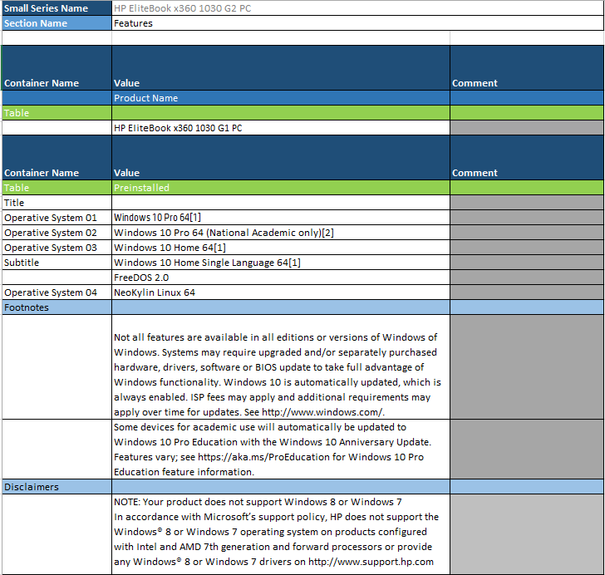

Users could add comments if needed
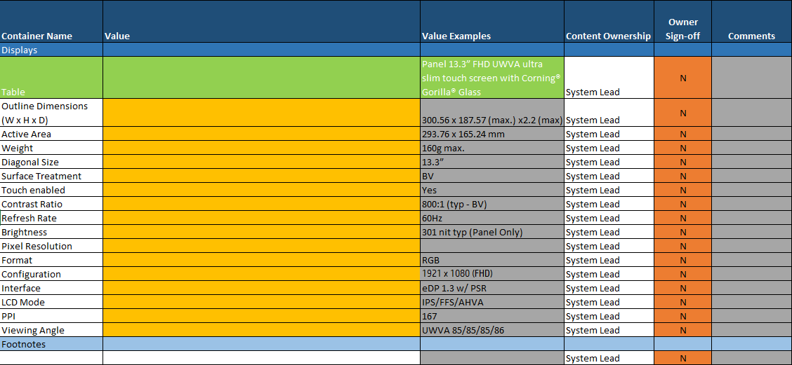

Section owners could sign-off the content provided by typing "Y" and replicating across all rows. The color of the cell will change to green to acknowledge the change

